Ejercicio 1
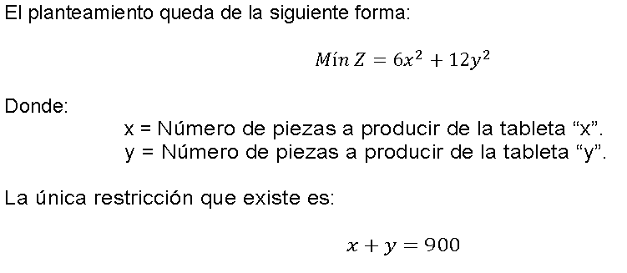
Z | x | y
3240000 | 600 | 300
900 | 900

Ejercicio 3
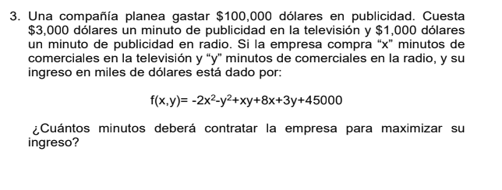

f(x,y)=−2x2−y2+xy+8x+3y+45000 | Maximizar f(x,y)=−2x2−y2+xy+8x+3y+45000 | F | X | Y
3000x+1000y≤100000 | 3000x+1000y≤100000 | 45011.333333 | 2.3333314386 | 1.3333334589
x≥0,y≥0 | x≥0,y≥0 | 8333.3277747 | 100000

L(x,y,λ)=−2x2−y2+xy+8x+3y+45000−λ(3000x+1000y−100000)
−4x+y+8−3000λ=0
y=4x−8+3000λ
−2(4x−8+3000λ)+x+3−1000λ=0
−8x+16−6000λ+x+3−1000λ=0
−7x+19−7000λ=0
x=7/19​−7000/λ​
x=19−1000λ​/7
x≈2.7002
y≈10.8016

